Aspect Ratios
Mobile Display Resolutions

Aspect Ratio | Ratio | Display Resolutions
1.50 | 3:2 | 160x240 | 320x480 | 640x960
 |  | HQVGA | HVGA | DVGA
1.67 | 5:3 | 240x400 | 480x800 | 768x1280
 |  | WQVGA | WVGA | WXGA
1.78 | 16:9 | 270x480 | 360x640 | 480x854 | 540x960 | 640x1136 | 720x1280 | 1080x1920 | 1152x2048
 |  | WQVGA | nHD | WVGA | qHD | iPhone5 | WXGA | FHD | QWXGA

Web Display Resolutions

Aspect Ratio | Ratio | Display Resolutions
1.33 | 4:3 | 480x640 | 768x1024 | 600x800 | 1200x1600 | 1536x2048 | 2400x3200
 |  | VGA | WXGA | SVGA | UXGA | QXGA | QUXGA
1.25 | 5:4 | 1024x1280 | 2048x2560 | 4096x5120
 |  | SXGA | QSXGA | HSXGA
1.60 | 16:10 | 800x1280 | 900x1440 | 1050x1680 | 1200x1920 | 1050x1680
 |  | WXGA | WXGA+ | WSXGA+ | WUXGA | WSXGA+
1.78 | 16:9 | 768x1366 | 900x1600 | 1440x2560
 |  | WXGA | HD+ | QHD

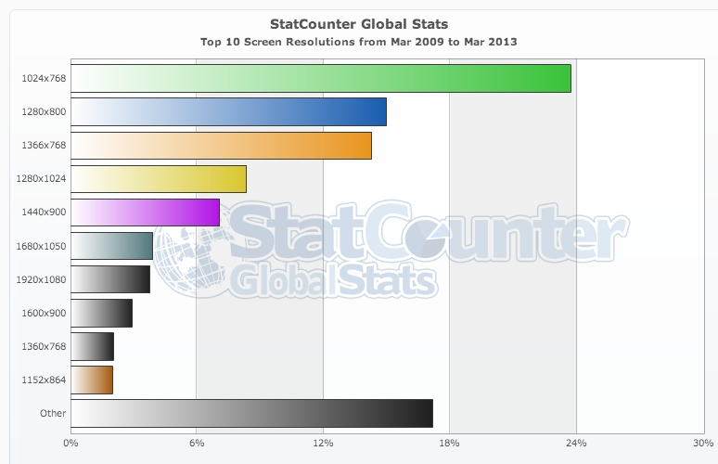

 |  |  |  |  |  |  |  |  |  |  |  | Browser Display Statistics
 |  |  |  |  |  |  |  |  |  |  |  | http://www.w3schools.com/browsers/browsers_display.asp
 |  |  |  |  |  |  |  | 768x1366 | 25.4 | 1.78
 |  |  |  |  |  |  |  | 1080x1920 | 11 | 1.78 |  | Most Popular Screen Resolutions 2012
 |  |  |  |  |  |  |  | 1024x1280 | 9.7 | 1.25 |  | http://techcrunch.com/2012/04/11/move-over-1024x768-the-most-popular-screen-resolution-on-the-web-is-now-1366x768/
 |  |  |  |  |  |  |  | 900x1440 | 7.3 | 1.60
 |  |  |  |  |  |  |  | 800x1280 | 8.2 | 1.60
 |  |  |  |  |  |  |  | 1050x1680 | 5.7 | 1.60
 |  |  |  |  |  |  |  | 900x1600 | 5 | 1.78
 |  |  |  |  |  |  |  | 1200x1920 | 2.9
 |  |  |  |  |  |  |  | 768x1360 | 2.1 | 1.77
 |  |  |  |  |  |  |  | 1440x2560 | 1.1 | 1.78
 |  |  |  |  |  |  |  | other high res | 11.6

 |  |  |  |  |  |  |  |  |  |  | StatCounter Global Stats from Mar 2009 - Mar 2013
 |  |  |  |  |  |  |  |  |  |  | http://gs.statcounter.com/#resolution-ww-monthly-200903-201303

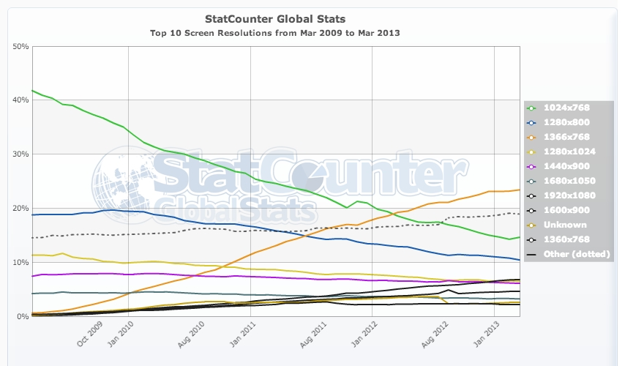

Screen sizes

The page compares screen sizes available on eBook Readers. This display size is usually given as a single number that represents the diagonal dimension of the screen. Next to the size of the screen the next important number is related to the number of pixels on the screen. This is usually summarized as a PPI (pixels per inch)
Contents
[hide]
1 aspect ratio
2 4:3 ratio
3 16:9 ratio
4 3:2 ratio
5 eReader Screens
6 PPI
[edit]aspect ratio
While the diagonal number is a convenient number to use for display size the important screen size is actually the area of the screen which determines the total number of letters and thus words that can appear on the page. The area is related to the diagonal size by the aspect ratio. This is a term that describes the relationship of the height of the display to the width of the display. For example a 5" screen that was 4" high and 3" wide would have a ratio of 4:3 or sometimes represented by dividing the smaller number into the larger as 1.33:1. The area of such a screen would be 12 square inches. A narrower screen would have a less reading area. For example a 5" screen with a ratio of 16:9 would be 4.35" high and 2.45" wide and have a reading area of only 10.6 square inches. Some PDAs and cell phones use a ratio of 3:2 on small pocket size devices although 4:3 is also popular.
[edit]4:3 ratio
This ratio is called the golden triangle as a triangle with sides 3", 4", and 5" produces a triangle with one edge at 90 degrees (a right triangle). This is the ratio used on most CRT monitors and is consider pleasing to look at. It is often used with eBook readers. The computer monitors have standardize the pixel sizes for this ratio as: 640 x 480, 800 x 600, 1024 x 768, 1280 x 1024, 1600 x 1200 and 2048 x 1536 for square pixels. Many eBook readers use one of these standard values but may have screens that are not exactly the 4:3 ratio or may use pixels that are not exactly square. Computed PPI values may be different for horizontal and vertical for these reasons and an average may be shown.

approx 4x3 ratio
Size | Dimensions | Pixels | PPI | Area
10.2" | 207 x 155 mm, 8.15" x 6.1" | 1280 x 1024 | 158 | 49.7
9.7" | 203 x 140 mm, 8.0" x 5.5" | 1600×1200 | 200 | 44
1200 x 825 | 150
197 × 148mm, 7.8" x 5.8" | 2048 x 1536 | 264 | 45.2
1024 x 768 | 132
9.0" | 183 × 137 mm, 7.2" × 5.4" | 1024 × 768 | 142 | 38.9
8.0" | 163 x 122 mm, 6.4" x 4.8" | 1024 x 768 | 160 | 30.7
7.9" | 160 x 119 mm, 6.3" x 4.7" | 1024 x 768 | 163 | 29.6
6.0" | 122 x 91 mm, 4.8" x 3.6" | 1024 x 768 | 213 | 17.3
800 x 600 | 167
5.0" | 101 x 76 mm, 4.0" x 3.0" | 800 x 600 | 200 | 12
640 x 480 | 160
4.3" | 88 x 66 mm, 3.46 x 2.60" | 800 x 600 | 232 | 9
3.5" | 71 x 53 mm, 2.80" x 2.10" | 320 x 240 | 114 | 5.9

[edit]16:9 ratio
Also known as widescreen, this is the standard for the new widescreen TV's and has also been used on many of the new computer screens. It is also known as 1.77:1. However computer screens are sometimes actually 16:10 (8:5) or have pixel counts that are slightly higher than would be normal for a true 16:9 screen. True wide screen TV's are either 720p (720 x 1280 pixels) or 1080p or i (1080 x 1920 pixels). A small computer screen of 800 x 480 would actually be 800 x 450 if it were true 16:9 ratio. Either the screen is slightly wider (16:9.6) or the pixels are not square to accomplish this difference. Computed PPI values may be different for horizontal and vertical for these reasons and an average may be shown.

approx 16x9 ratio
Size | Dimensions | Pixels | PPI | Area
10.1" | 214 x 135 mm, 8.53" x 5.33" | 1280 x 800 | 150 | 45.5
10.1" | 220 x 132 mm, 8.68" x 5.1" | 1024 x 600 | 118 | 44.3
7.1" | 154 × 90 mm, 6.1" × 3.5" | 1024 × 600 | 167 | 21.4
6.9" | 152 × 86 mm, 6.0" × 3.4" | 800 × 480 | 138 | 20.4
5.1" | 110 × 66 mm, 4.35" × 2.62" | 184 | 11.4
4.3" | 95.3 x 54 mm, 3.75" x 2.13" | 480 x 272 | 128 | 8
4.0" | 88.9 x 49.3 mm, 3.5" x 1.94" | 1136 x 640 | 326 | 6.8

[edit]3:2 ratio
This ratio is used on some pocket sized devices such as PDAs and cell phones with screens smaller than 4" although 4:3 screens are also used on these devices. It is sometimes shown as 1.5:1 and termed wide screen. The pixels on screens with a 3:2 ratio are often not square.

approx 3x2 ratio
Size | Dimensions | Pixels | PPI | Area
3.9" | 82 x 55 mm, 3.22" x 2.15" | 480 x 320 | 149 | 6.9
3.5" | 73.9 x 49.3 mm, 2.91" x 1.94" | 320 x 240 | 116 | 5.6
480 x 320 | 165
960 x 640 | 326

[edit]eReader Screens
click above for a comparison of the screens on various eReading devices.
[edit]PPI
PPI, pixels per inch, is the second number that is used to assess the readability of a screen. Generally the more ppi the better although there is a trade off of performance and battery requirements in generating the screen image when it contains more pixels.
PPI and DPI (dots per inch) are related values and for a monochrome screen they are usually the same number. For color, typically 3 or 4 dots are needed to represent a single pixel. Some reading systems take advantage of the fact that the human eye cannot detect really small color pixels so they use sub-pixel sampling as a form of anti-aliasing to increase the apparent resolution of text. See Fonts for more information on this topic.
The term retina display is used to identify a high ppi screen, usually 250ppi or higher. It attempts to identify the upper limit of useful ppi values and considers the viewing distance as well as the ppi value. A small screen device would typically be held closer to the eyes than a large screen and would thus need a higher ppi value to be termed a retina display.

